Screenshot
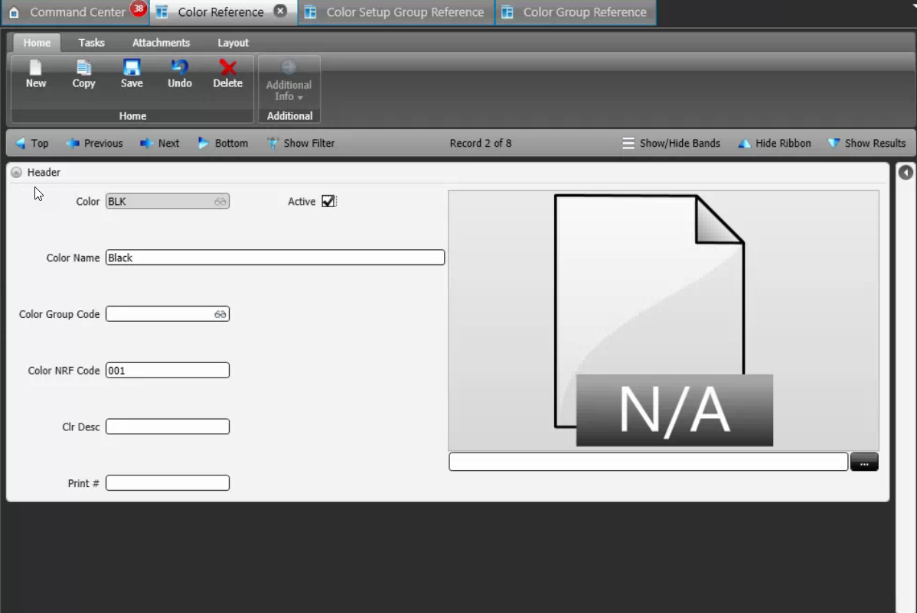
Reference Screen | Style color

